Sheet1
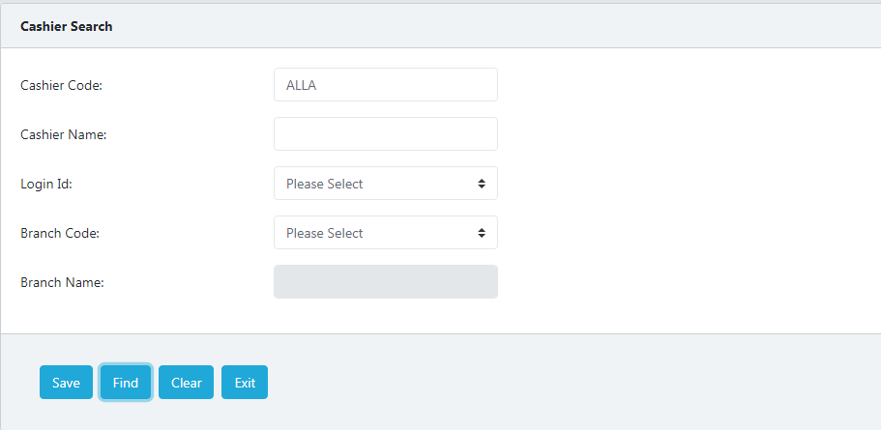
1

 | 1. Valaidations Not implemented while Save the Cashier details.
 | 2. Find button not working

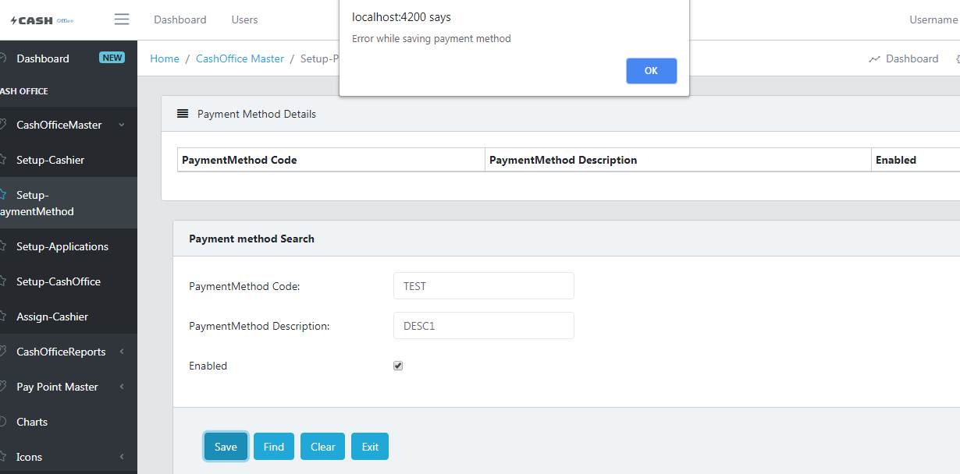

 | 1. Error while Save the Payment method.
 | 2. Find button not working | Solution: Need to change backend URL in component class.
 | 3. Unable to retrive the data to Table.
 | 4. Save button not. Working.
 | 5. Validations need to be implemented

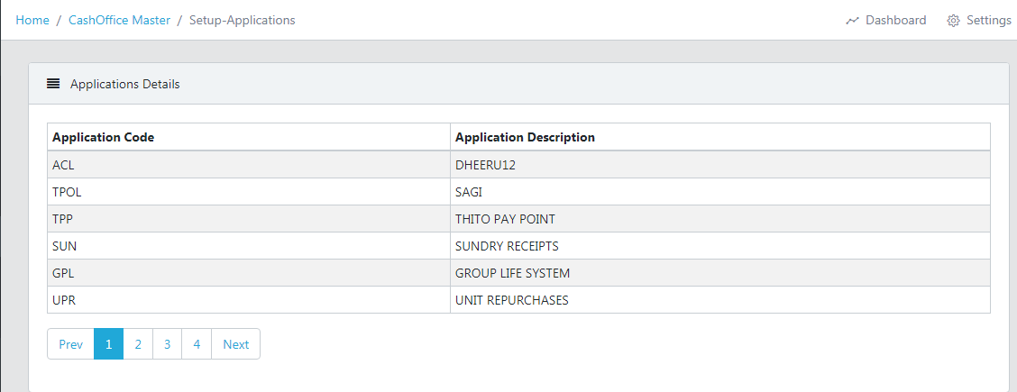

 | 1. Pagenations need to be implemented
 | 2 Save Activity is not working
 | 3. Clear and Exit buttons not working
 | 4. Find button not working

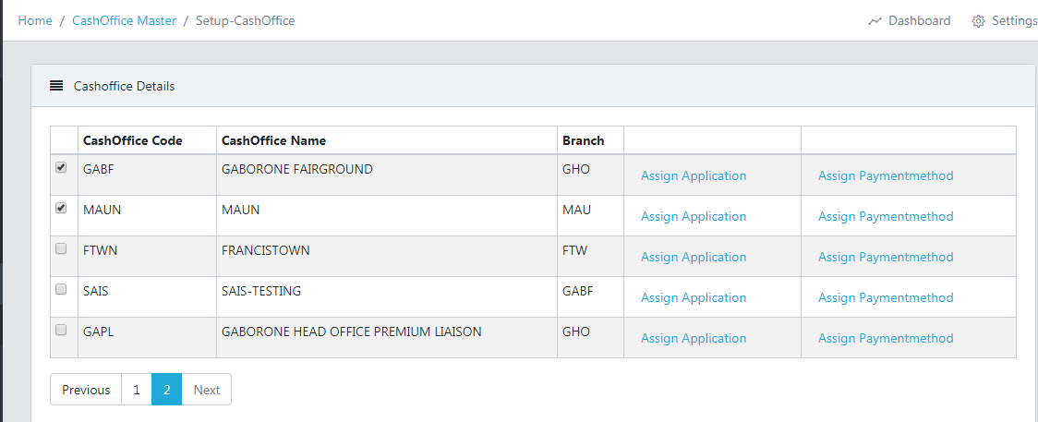

 | 1. Multiple checkboxes checked at same time. Need to enable only one checkbox at a time.
 | 2. Need to show alert message for After succesful Save
 | 3, Find and Exit buttons not working.
 | 4. Save button not implemented.

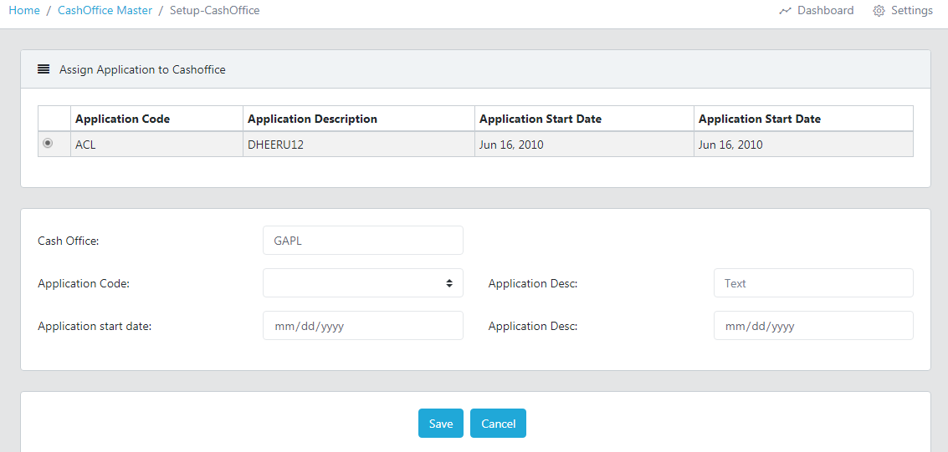

 | 1. Add Alerts message for Save Button
 | 2. Need to populate details on Radio button click.
 | 3

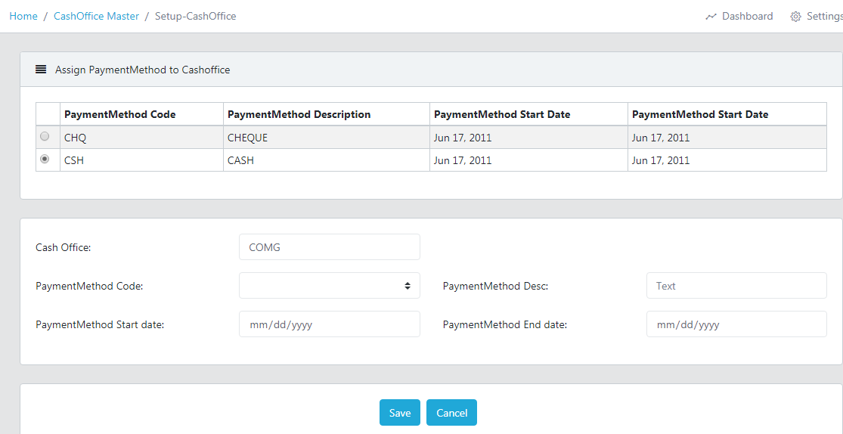

 | 1. Add Alerts message for Save Button
 | 2. Need to populate details on Radio button click.

